is this_all
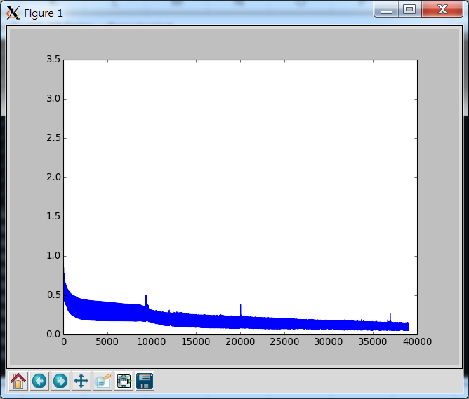
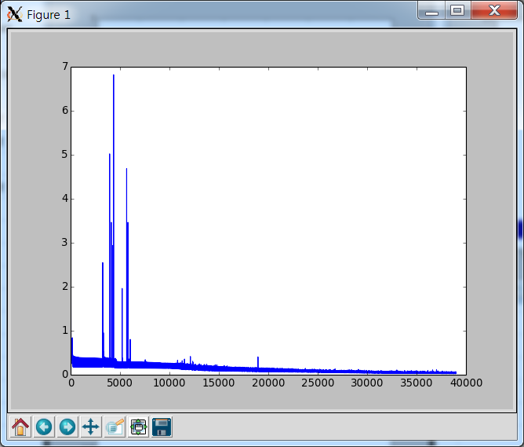
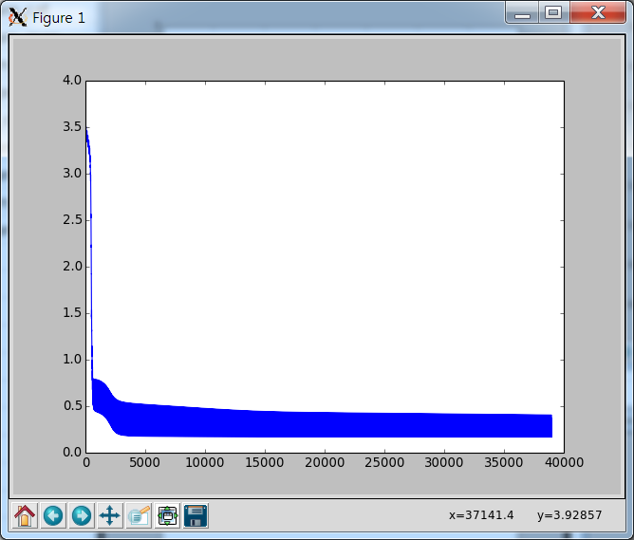
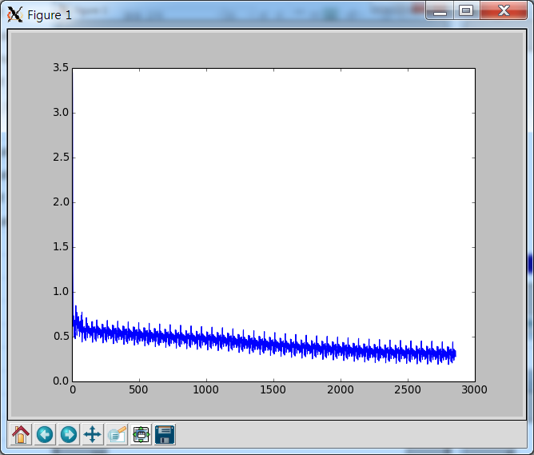
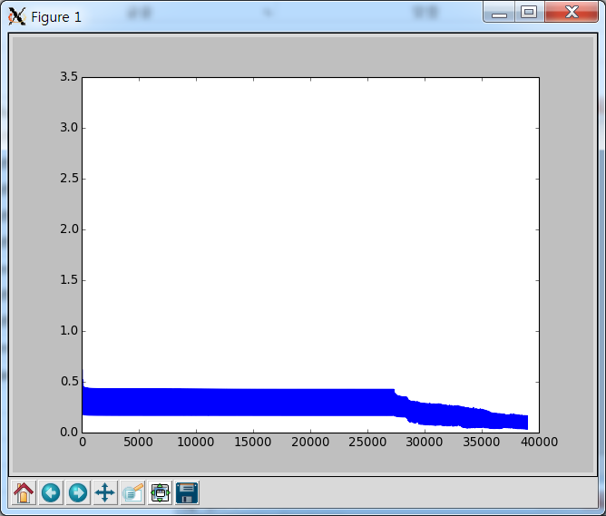
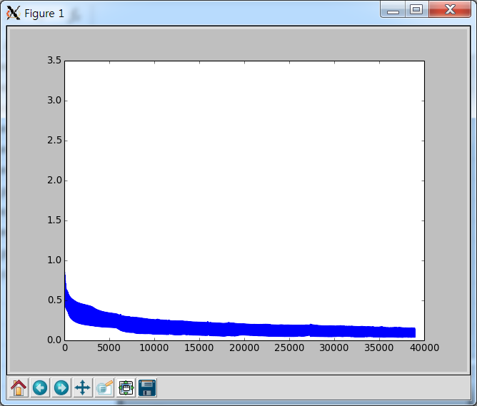
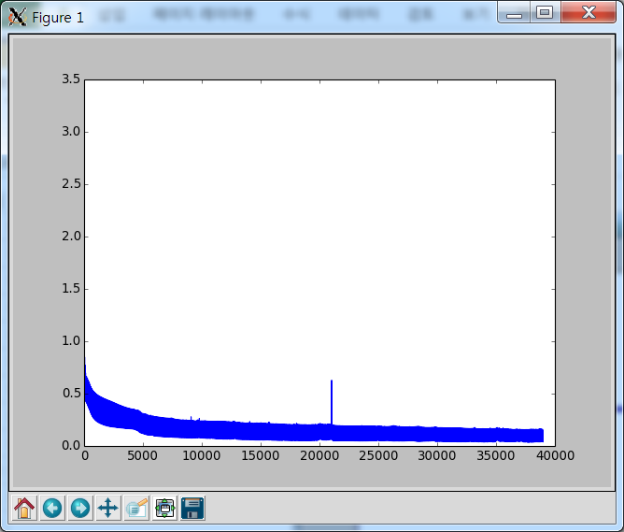
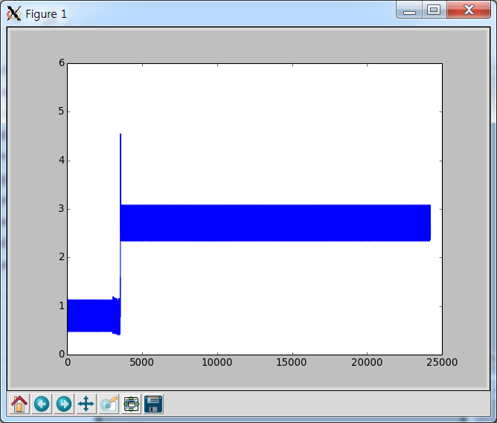
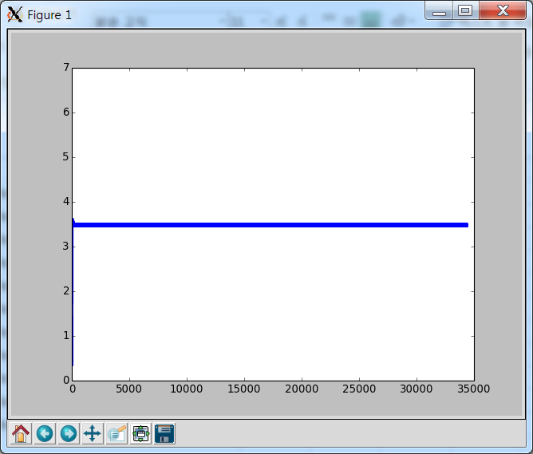
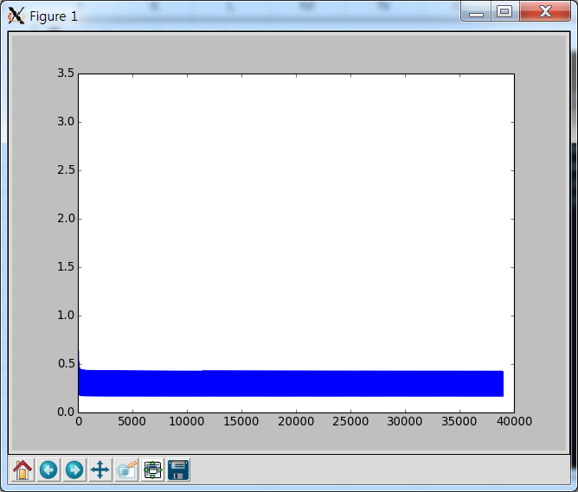
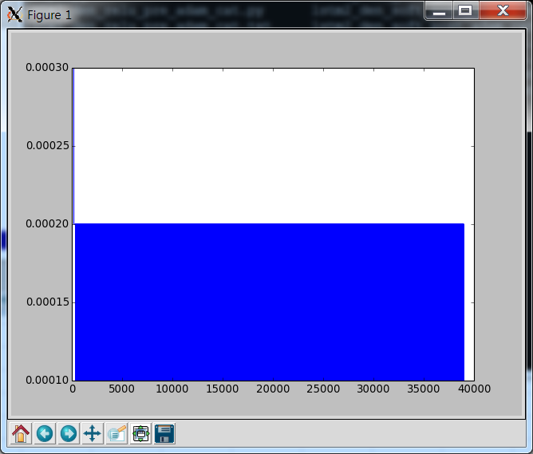
lstm1_den_relu_pre_adam_cat
lstm1_den_soft_post_adam_cat
lstm1_den_soft_post_adam_mae
lstm1_den_soft_pre_adam_cat
lstm1_den_soft_pre_rmsprop_cat
lstm1_den_soft_pre_sgd_cat
lstm1_time_time_pre_adam_cat
lstm2_den_soft_post_adam_cat
lstm2_den_soft_pre_adam_cat
lstm2_time_time_pre_adam_cat
lstm3_pre_adam_cat

is this_select
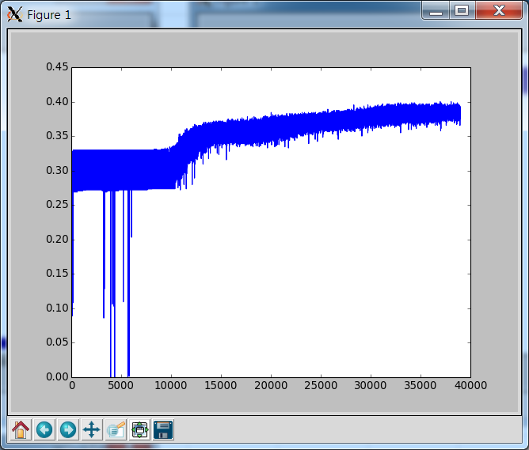
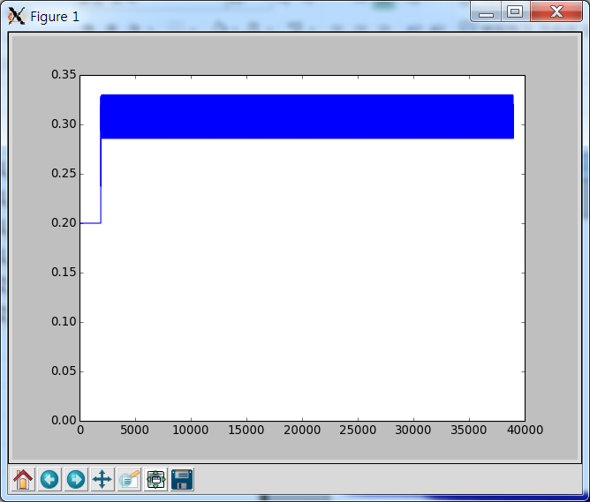
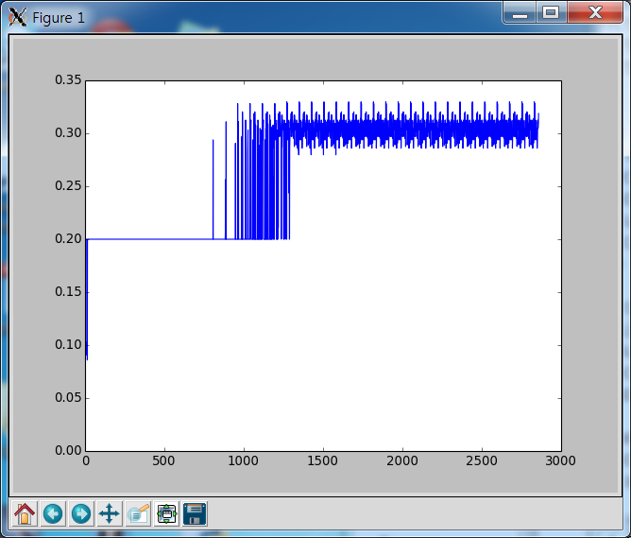
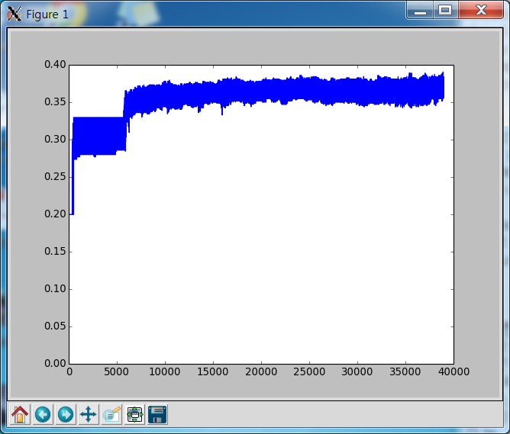
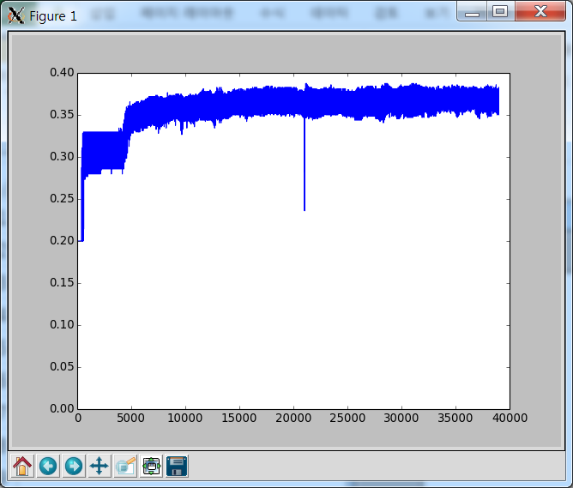
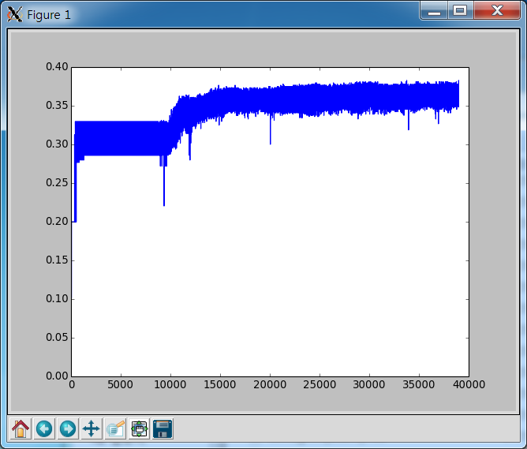
lstm1_den_soft_pre_adam_cat
lstm1_den_soft_pre_rmsprop_cat
lstm1_den_soft_pre_sgd_cat
lstm1_time_time_pre_adam_cat
lstm2_den_soft_pre_adam_cat
lstm2_time_time_pre_adam_cat

jzs1
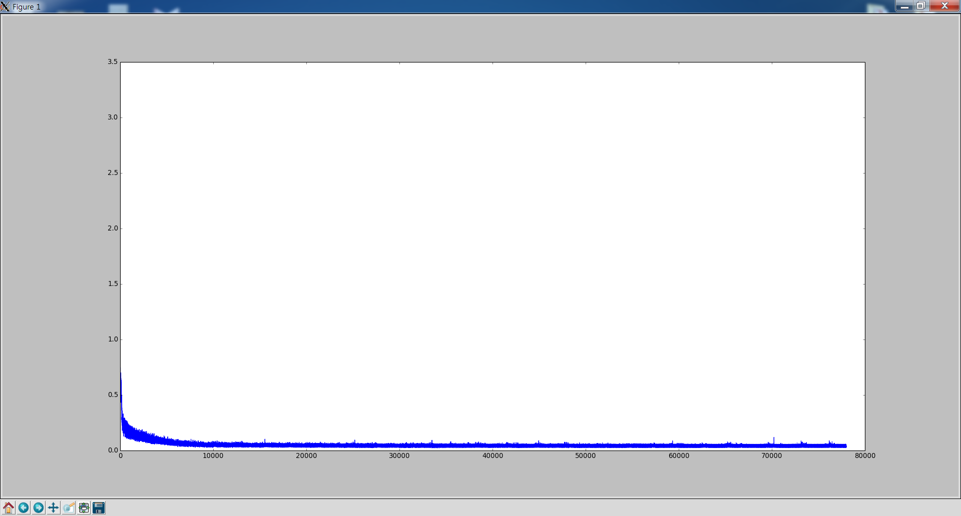
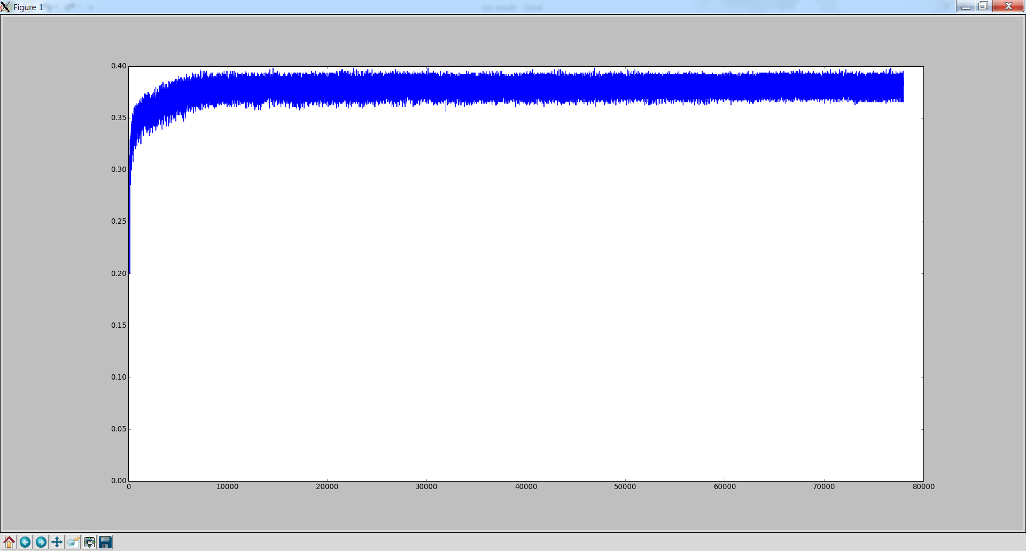
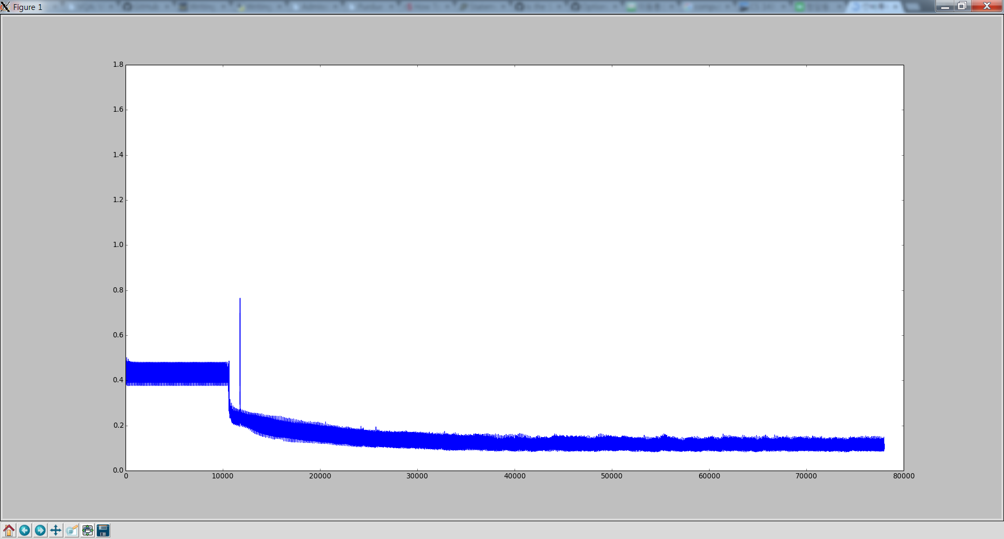
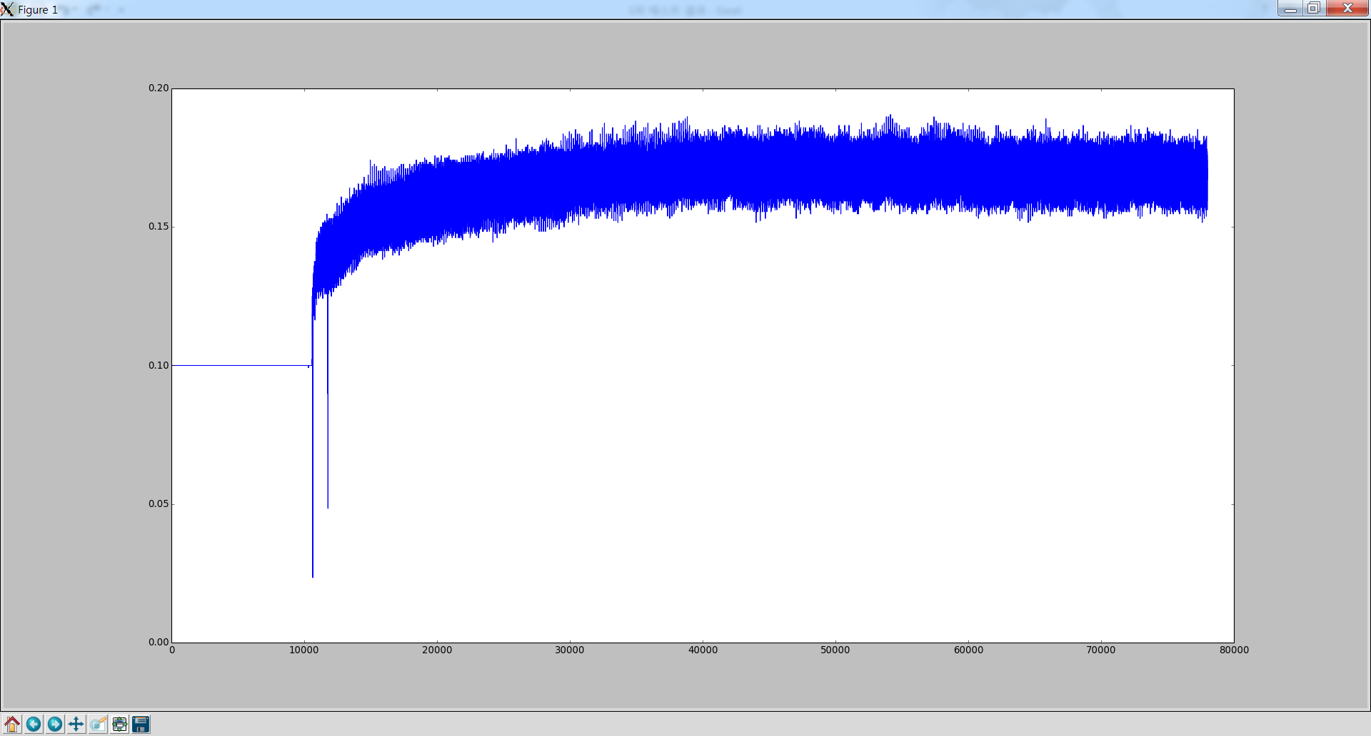
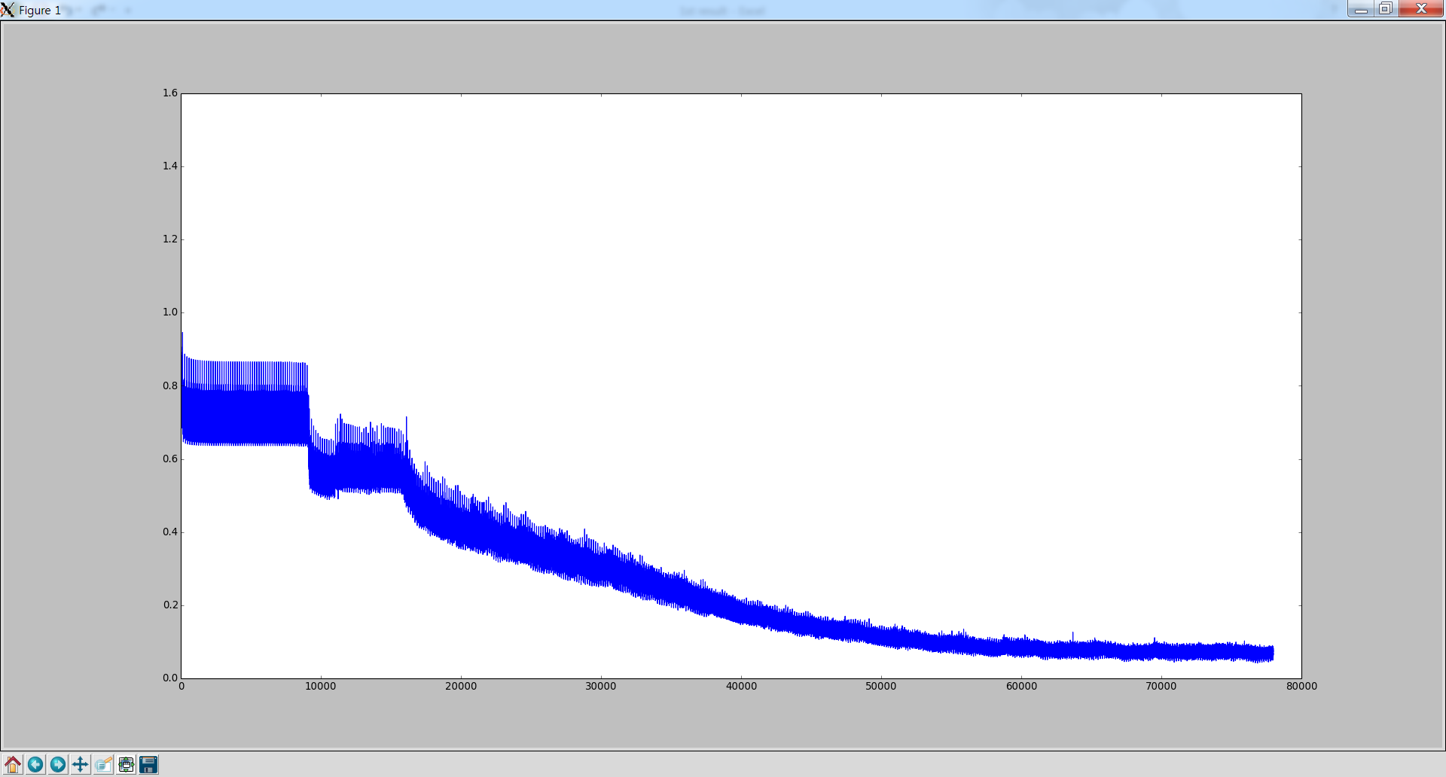
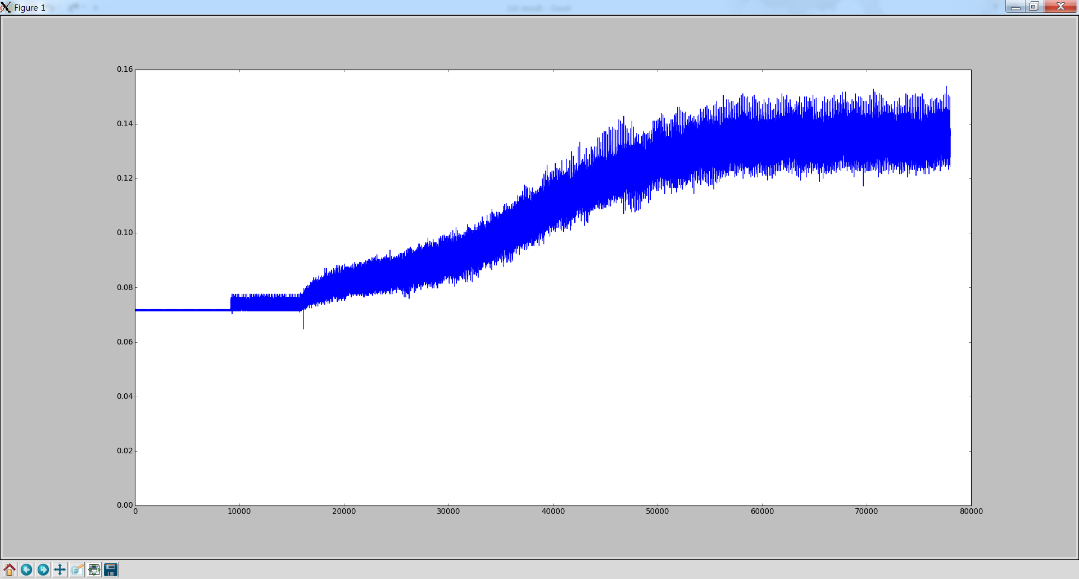
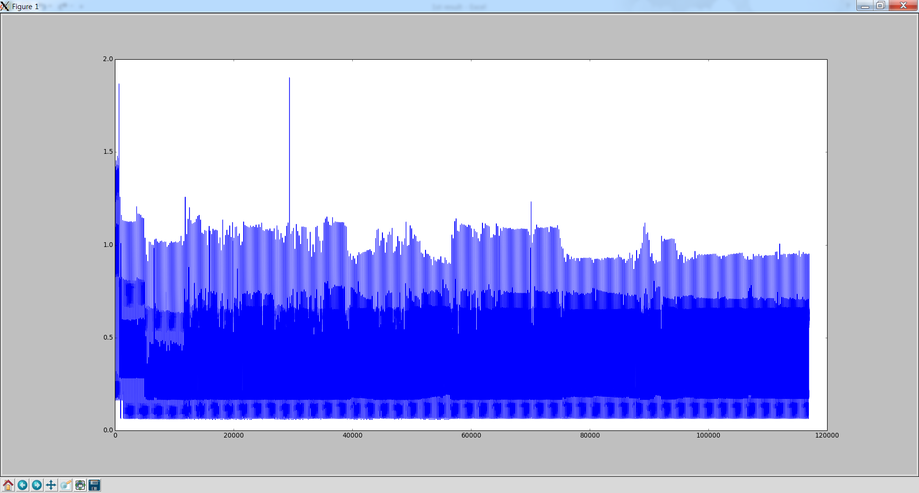
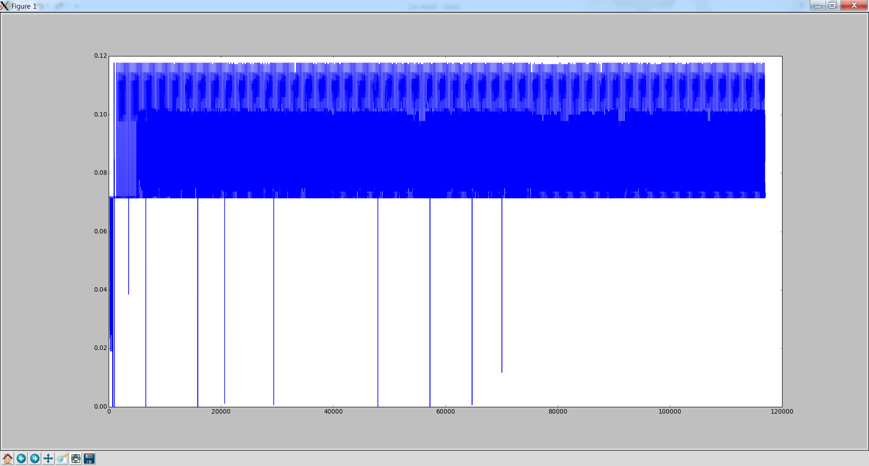
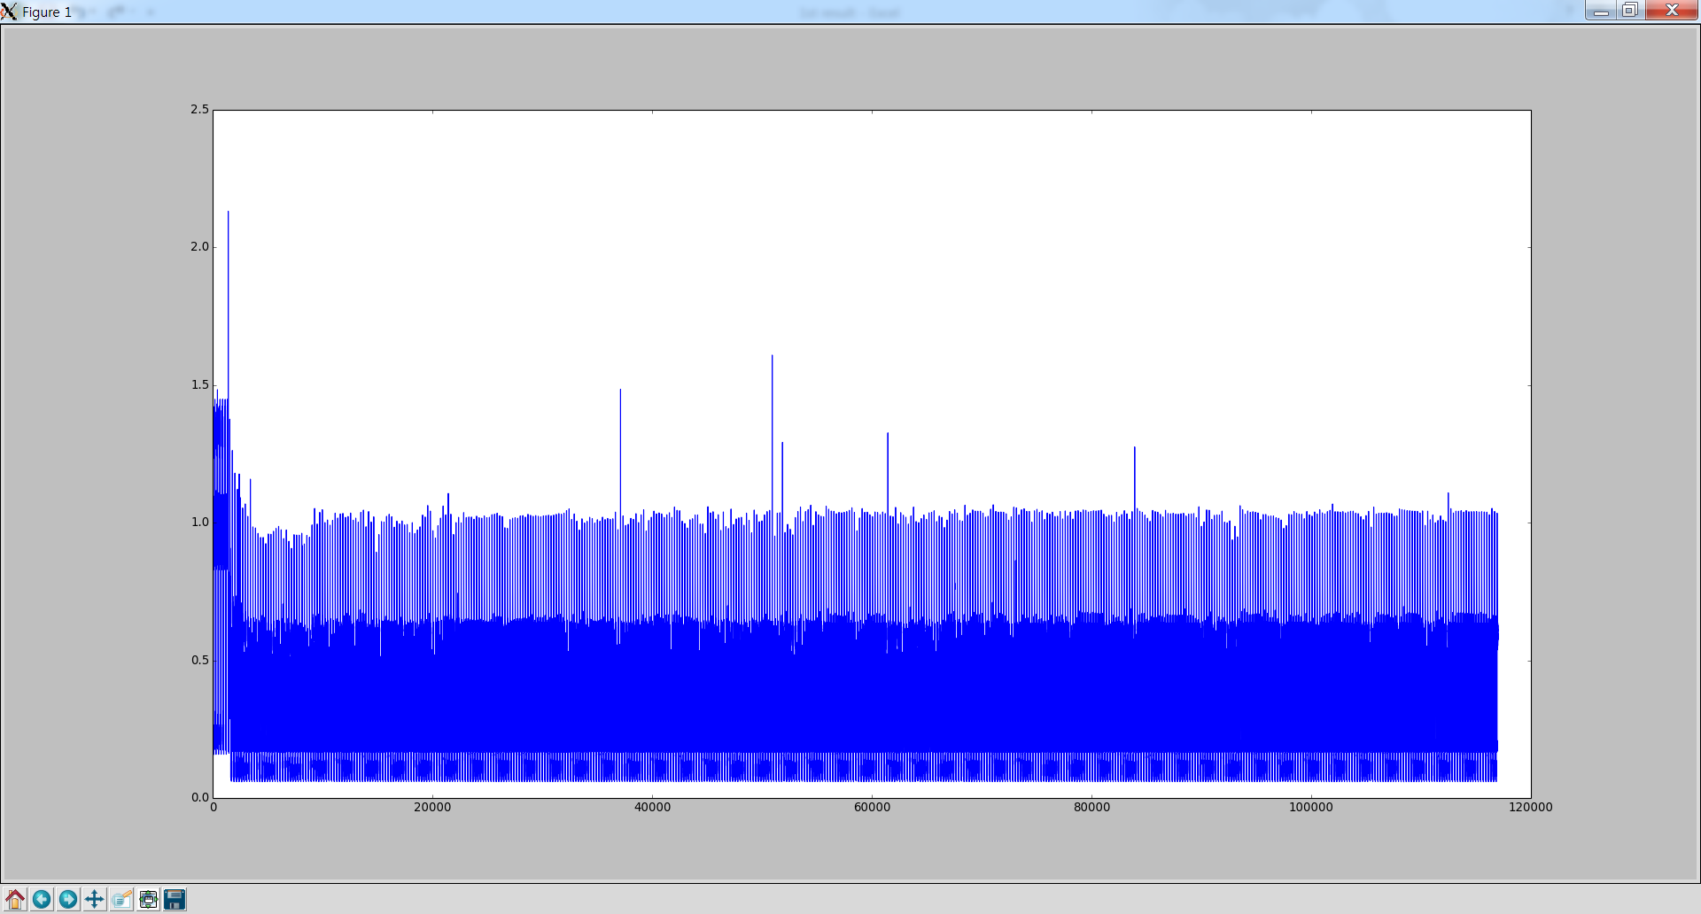
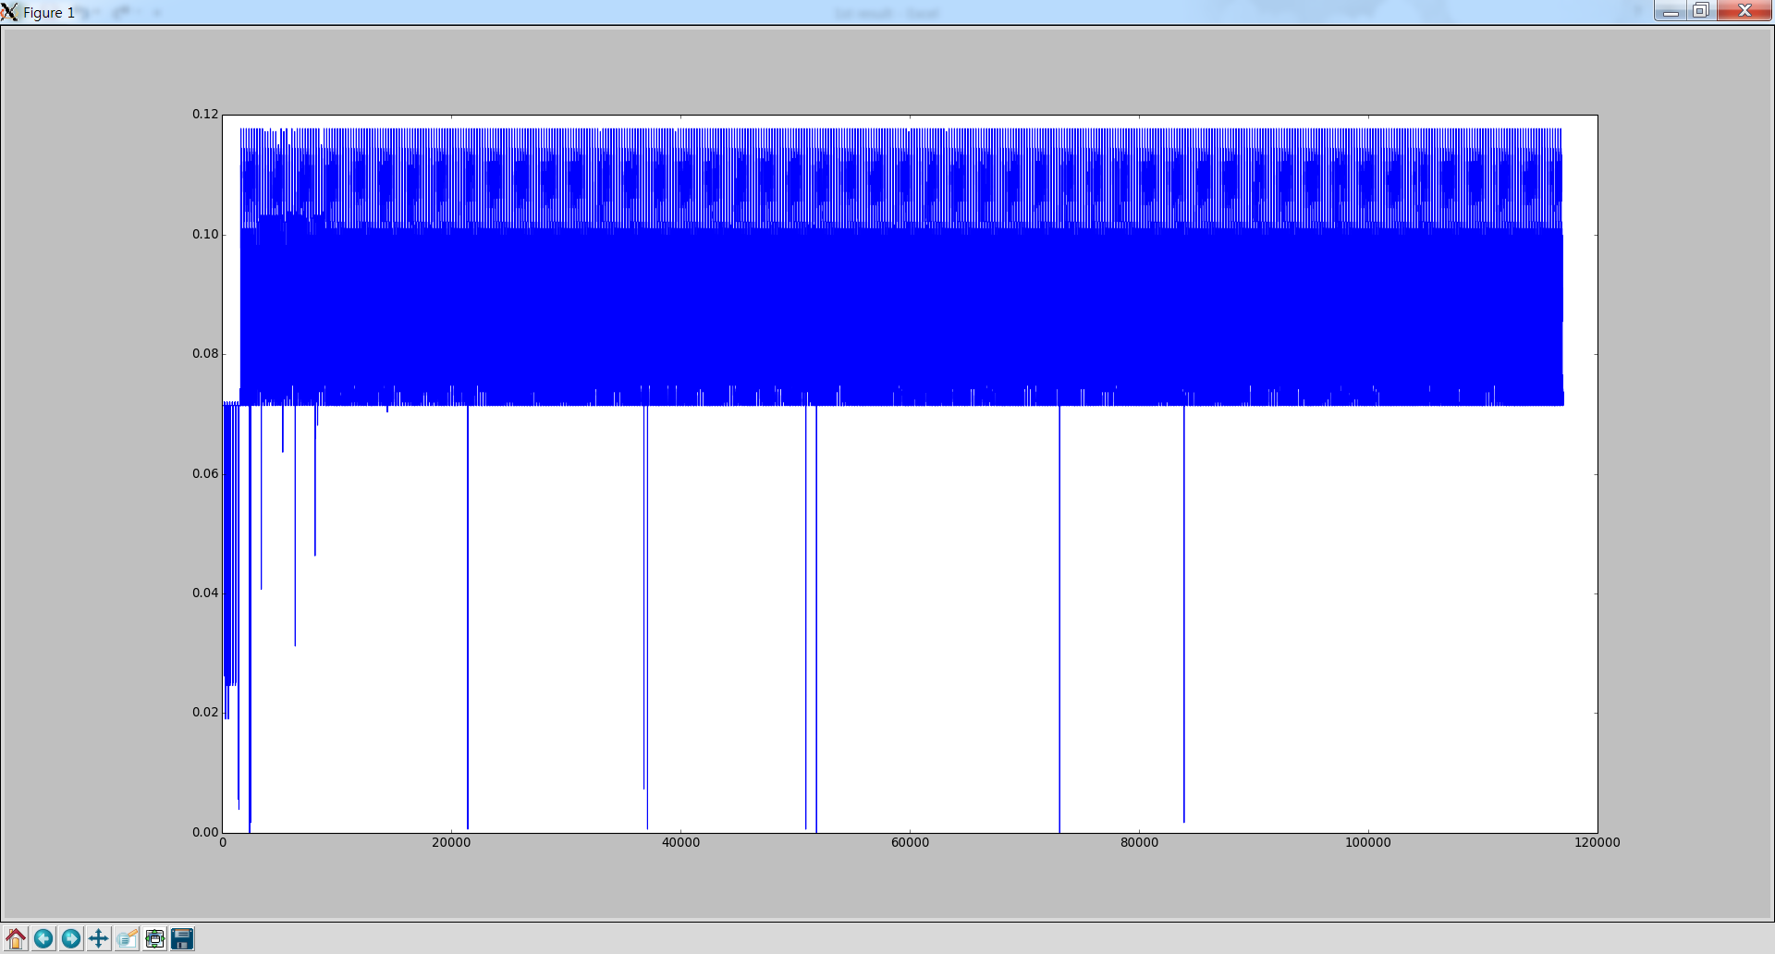
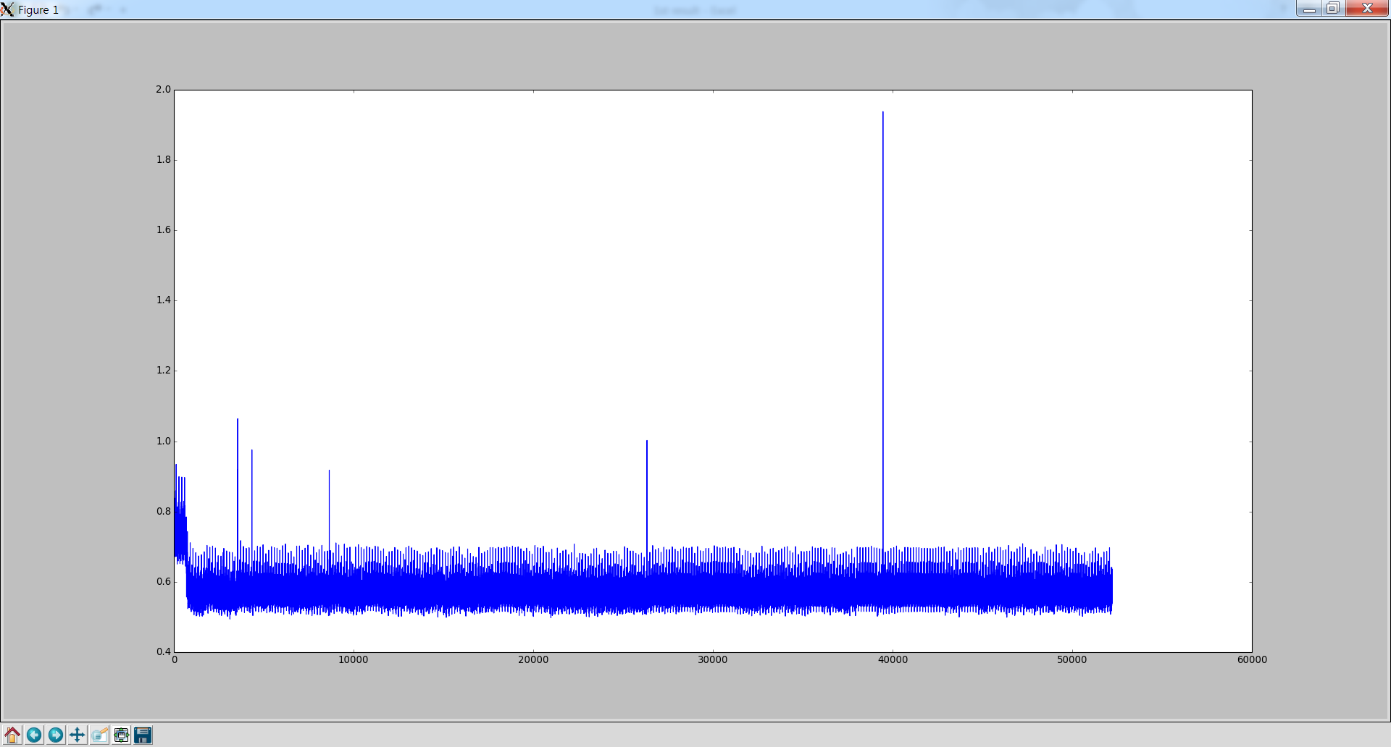
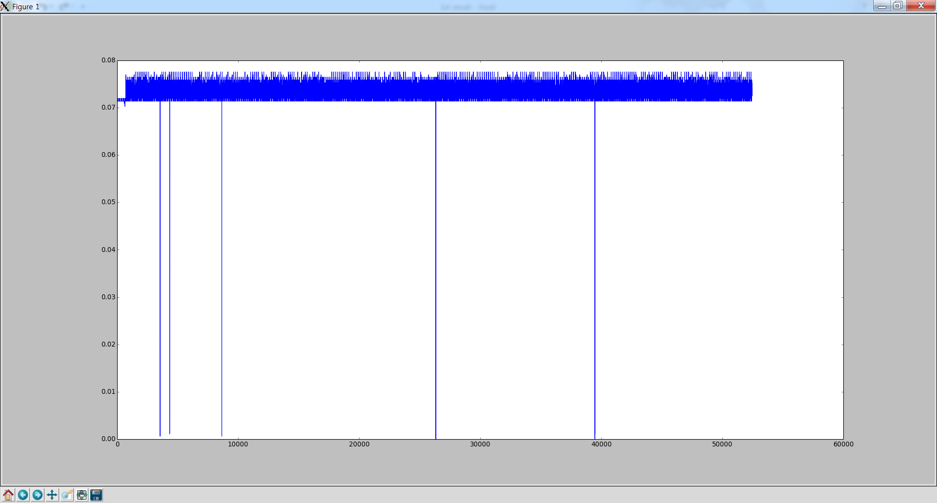
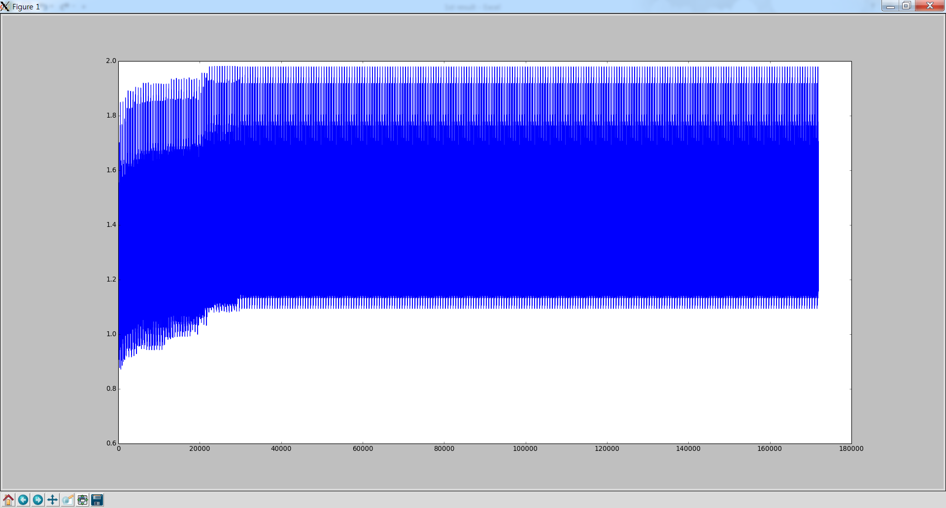
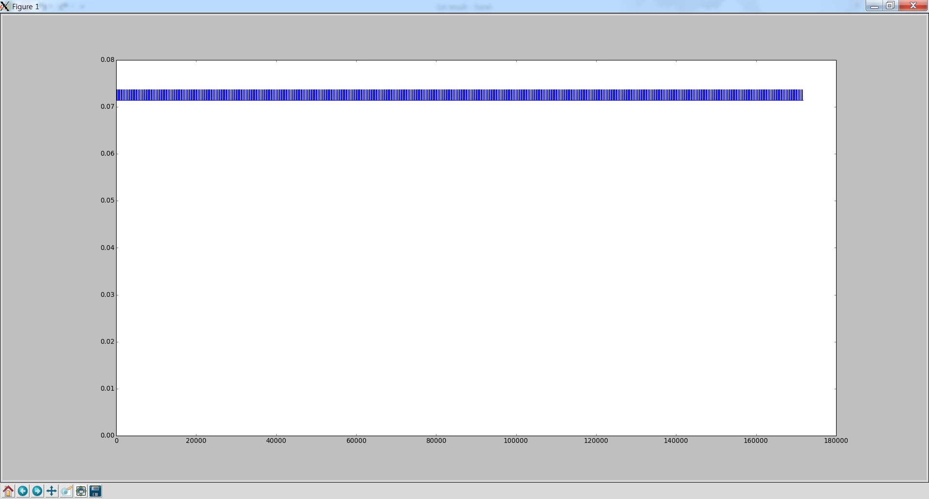
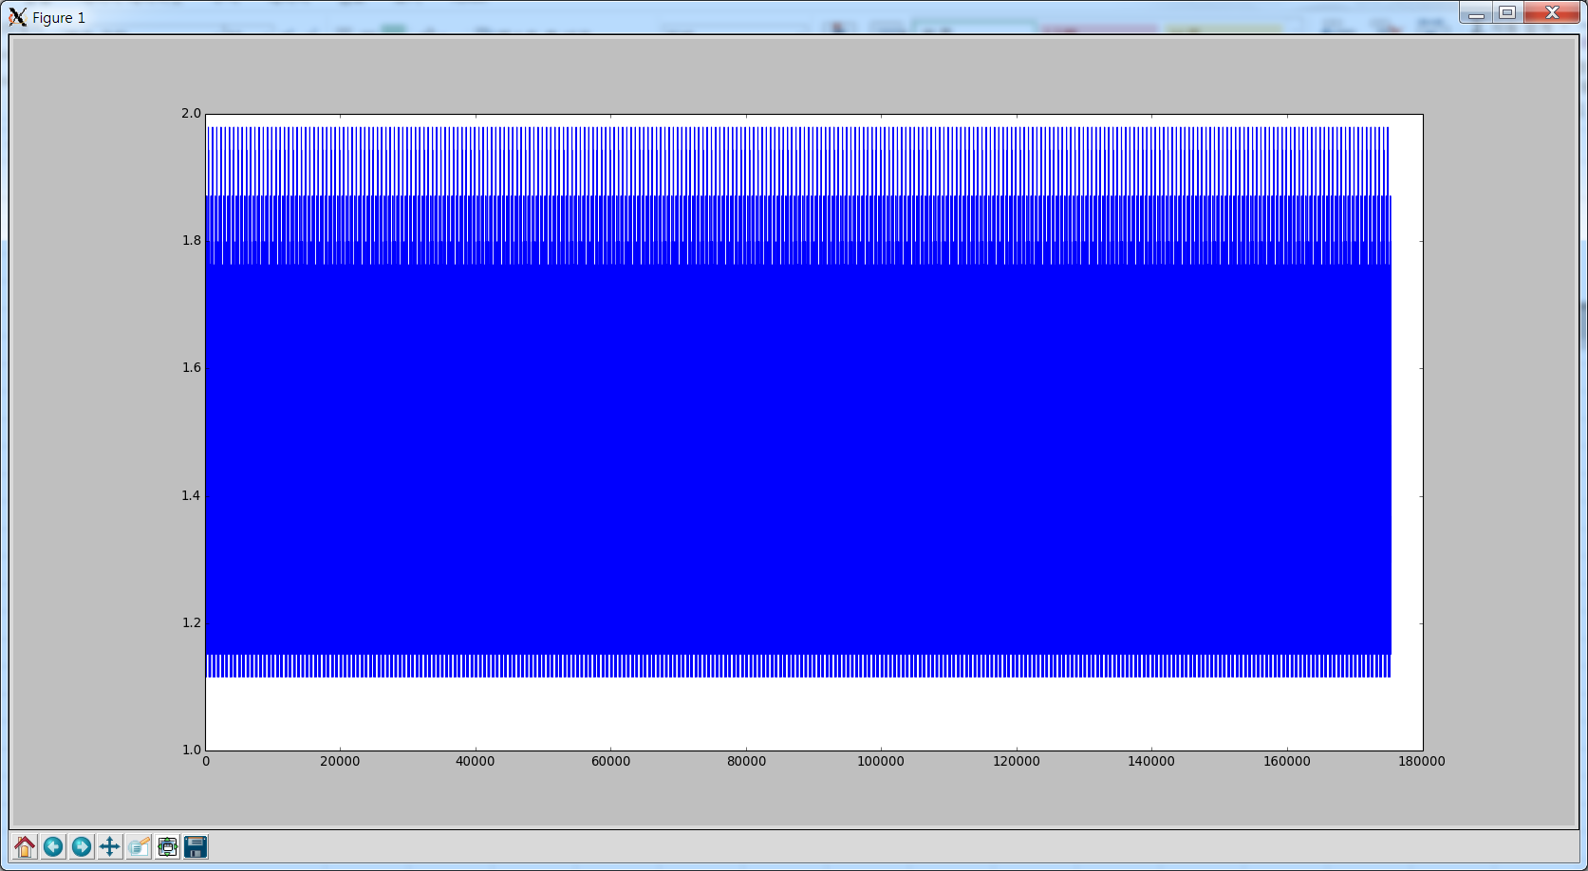
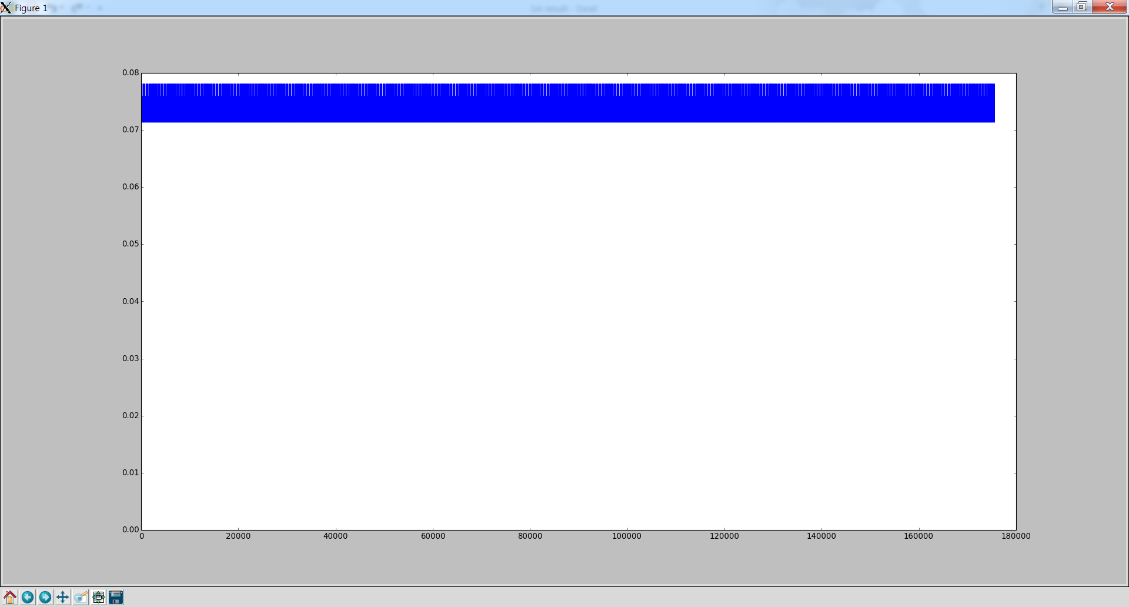
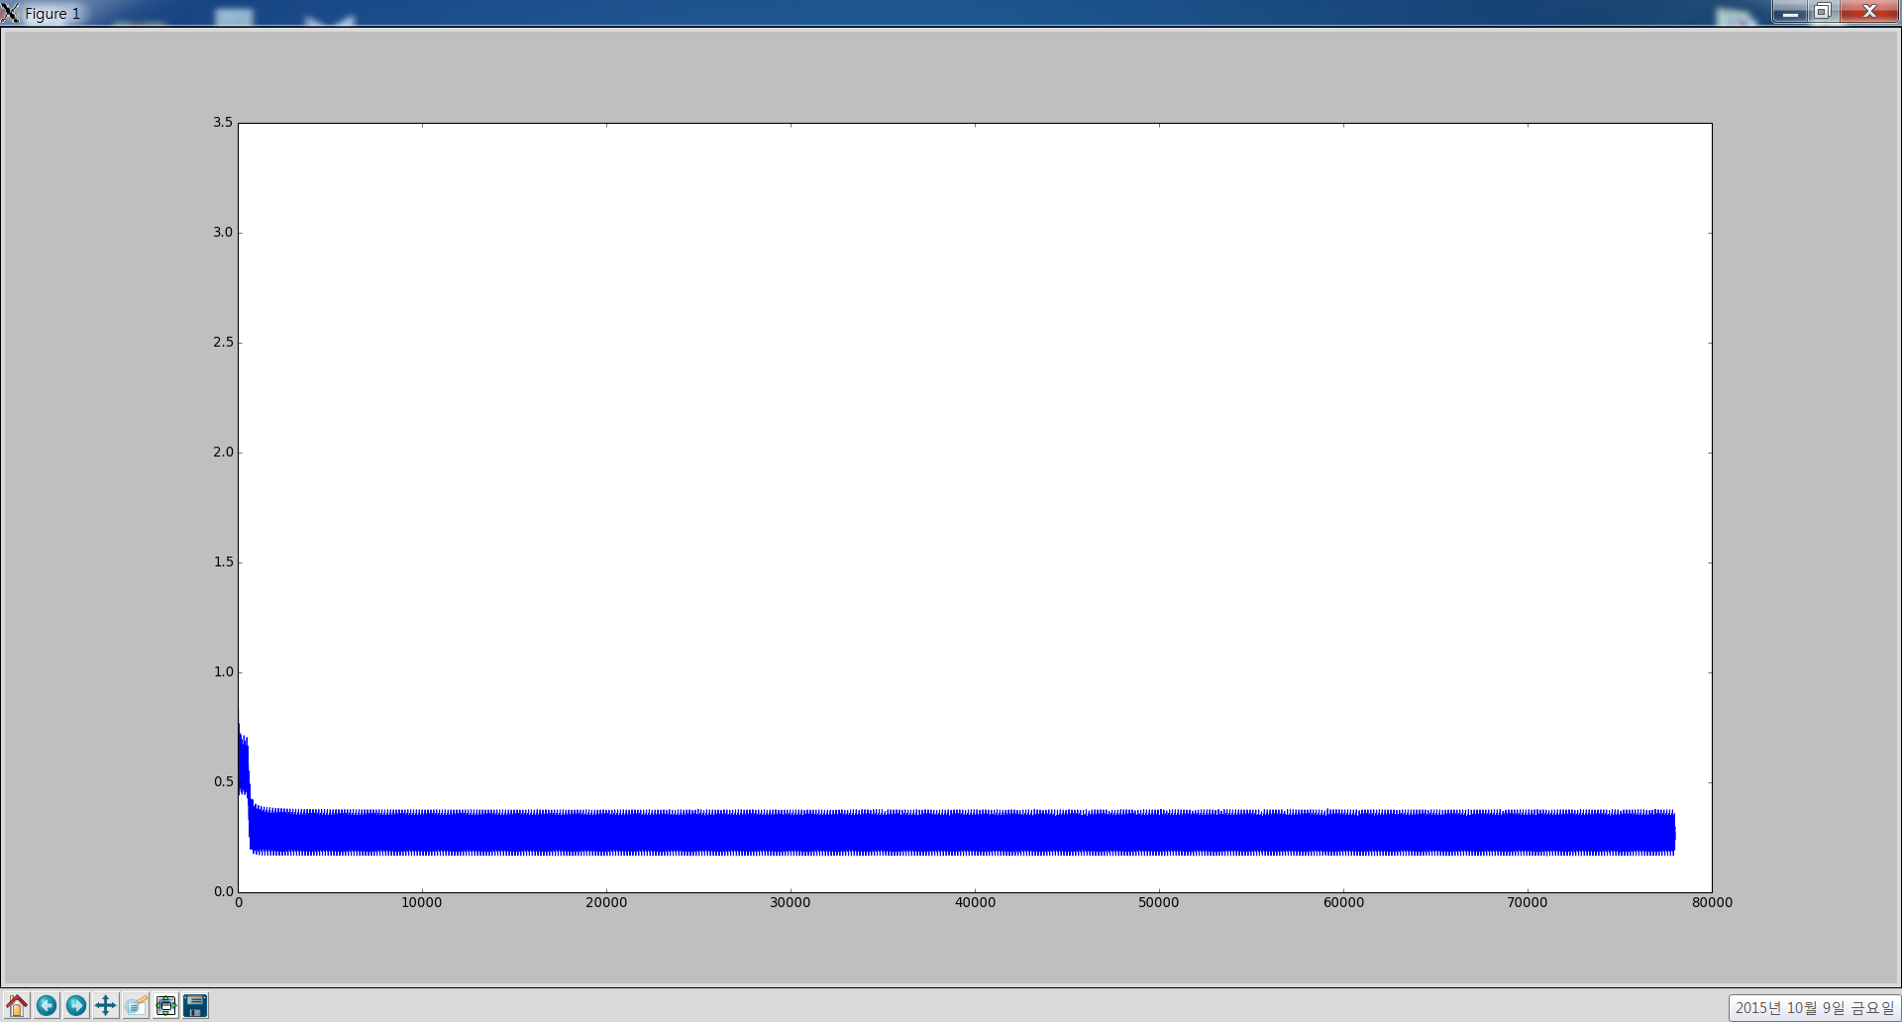
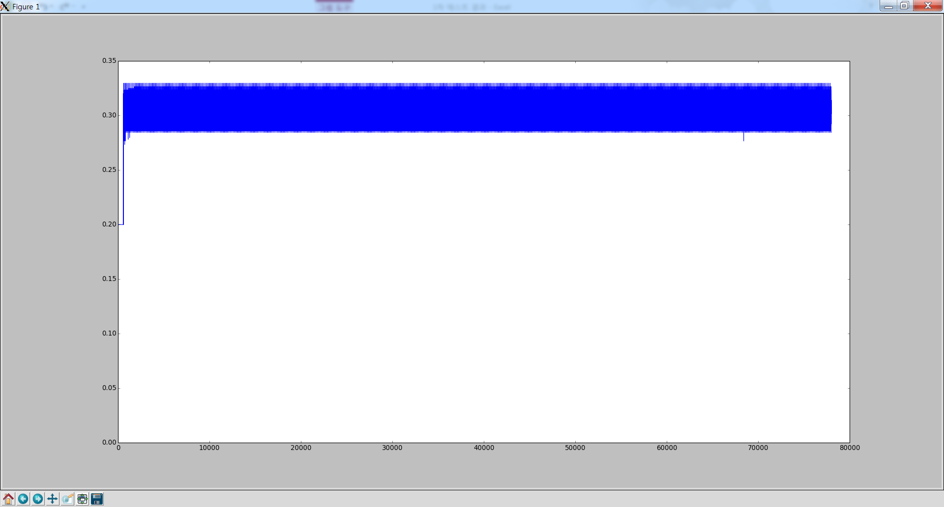
is this(0.5241)
jzs1_den_relu_time_soft_pre_adam_cat
jzs1_embed_den_relu_time_soft_pre_adam_cat
jzs1_m_den_relu_time_soft_pre_adam_cat

jzs1_embed_den_relu_time_soft_pre_adam_cat
what color(0.17595)
what is(0.0156)
is this+what color+what is(0.1752)

jzs1_m_den_relu_time_soft_pre_adam_cat
is this+what color+what is
what is

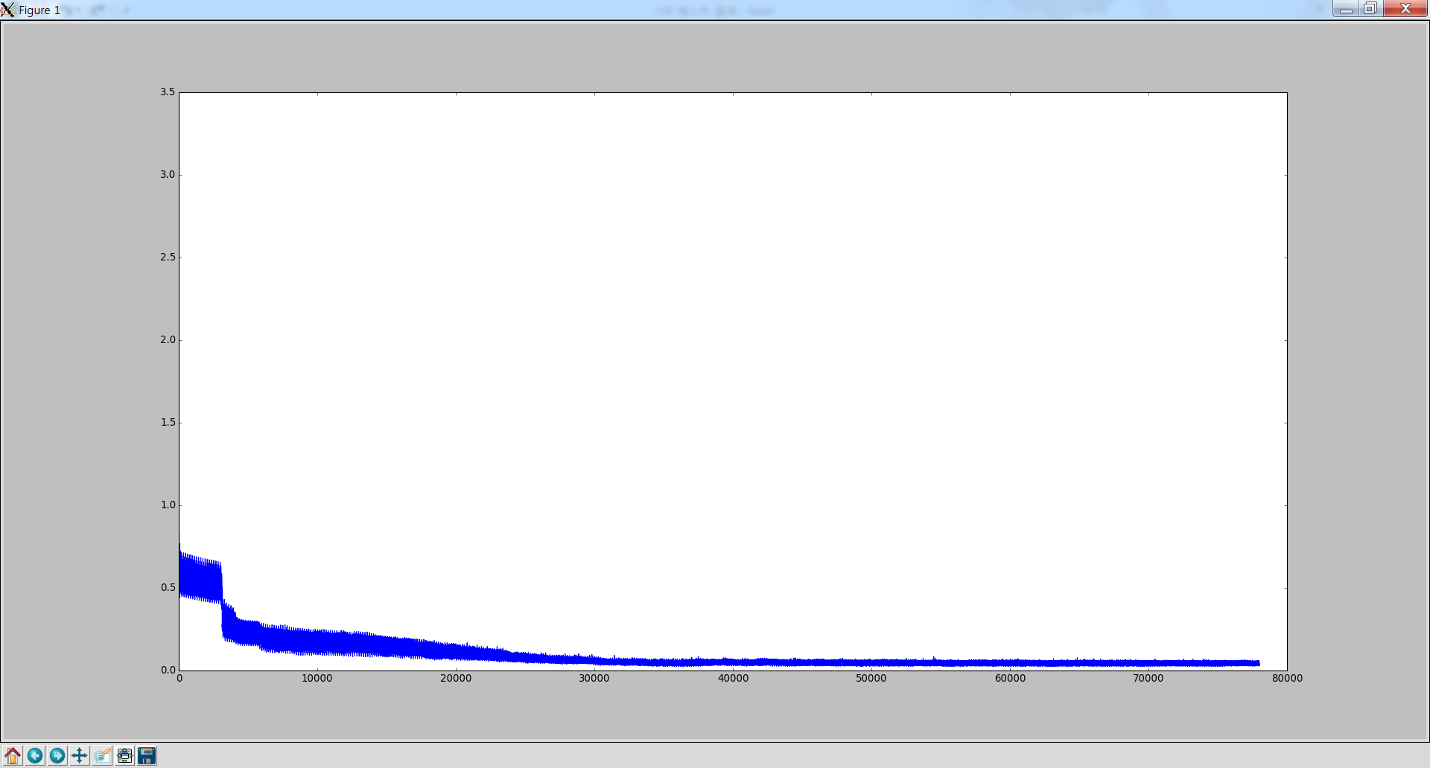
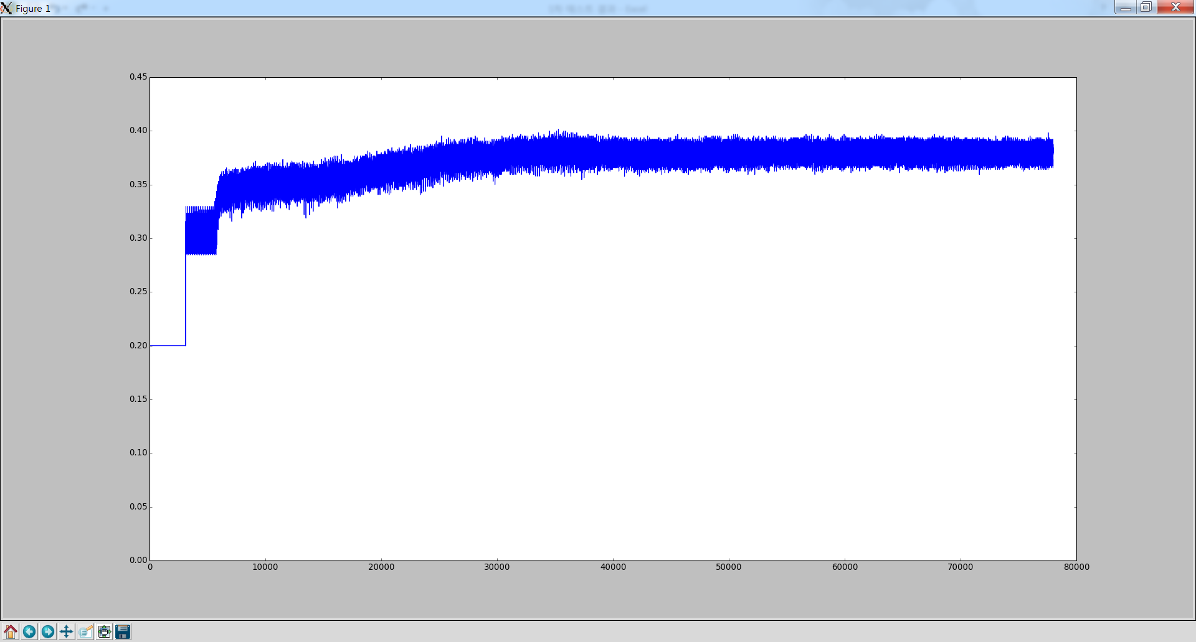
jzs1_m_den_relu_time_soft_pre_adam_cat_32_0.01
what is

jzs1_m_den_relu_time_soft_pre_adam_cat_32_0.1
what is

